Sheet1
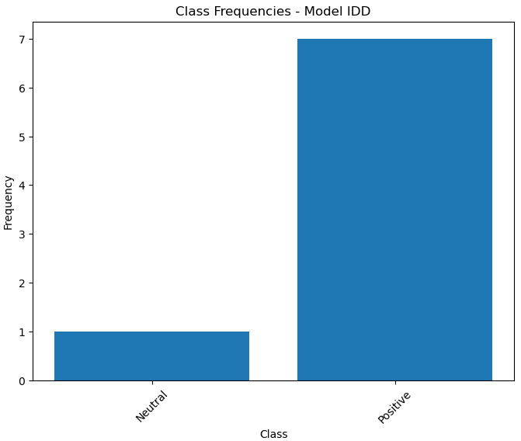
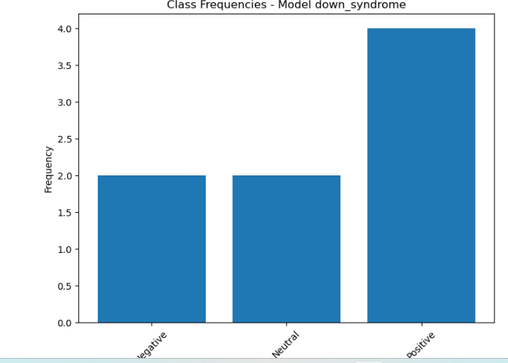
 |  | CYBER CHALLENGES RESULTS

 | ReadIng Data

IDD Dataset |  |  | Down Syndrome Dataset

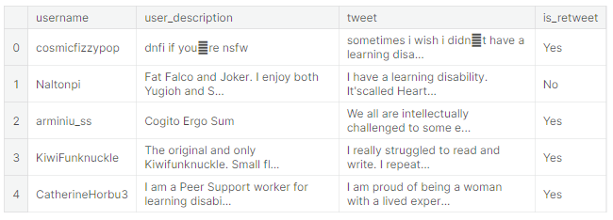
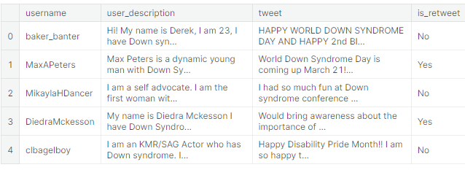

 | Topic Modelling
Common Topics in IDD Dataset |  |  | Common Topics in Down Syndrome Dataset
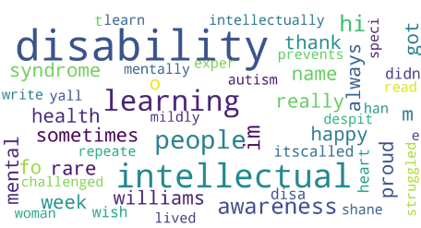
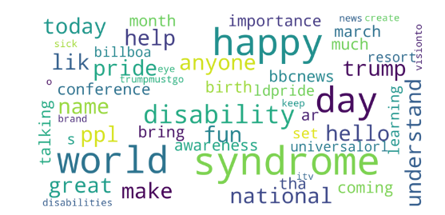

 | Sentiment Labelling
Sentiment Distribution in IDD Group |  |  | Sentiment Distribution for Down Syndrome group
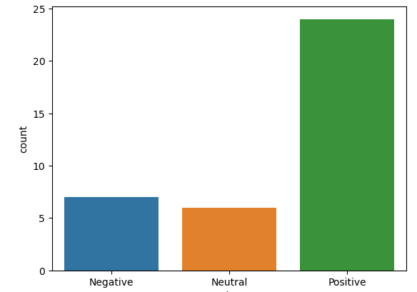
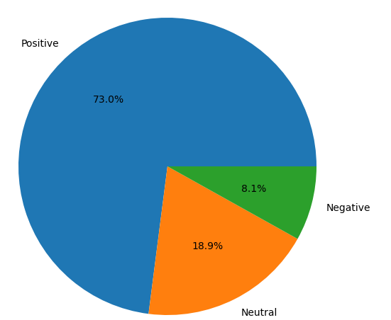

 | Transformer Model

Comparsion Metrics |  |  | Metrics Comparison for IDD Dataset
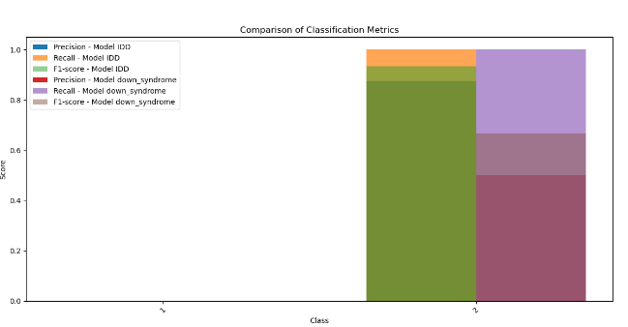

 |  |  | Metrics Comparison for Down syndrome Dataset

 | Sentiment Distribution Using Transformers

Distribution in IDD Group |  |  | Sentiment Distribution in Down Syndrome Group

